Sheet1
BBC-50B-HC
Part No. | Part Name | Specification | Image | Required Qt'y | List Price
F0140C020 | EVAPORATOR FAN MOTOR | 115V/60Hz, DAI6122 FRTA (C.C.W) |  | 2 | $158.00
R3723-081 | EVAPORATOR FAN BLADE | ABS, Φ110 |  | 2 | $21.60
BC1501T040 | EVAPORATOR COIL, R290 | 4S*3R, Φ7mm CU, 700mm | 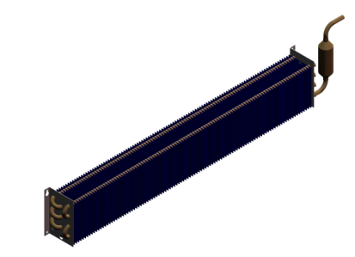 | 1 | $714.40
R3744-091 | EVAPORATOR DRAIN ELBOW-UPP | NYLON |  | 1 | $4.60
R3744-101 | EVAPORATOR DRAIN ELBOW-LOW | NYLON | 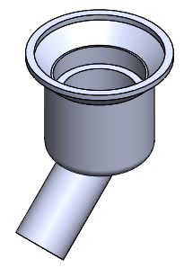 | 1 | $10.60
F0158D010 | SHELF SPRING | STS ( Φ12 * 45 ) |  | 3 | $10.00
F0156D010 | SHELF DIVIDER WITH SPRING | SWRM-B + PE |  | 3 | $149.00
CP1005E270 | THERMOSTAT | GNF-100(131A) (R290) |  | 1 | $117.80
F0144D511 | THERMOSTAT PLATE | STS 445 2B |  | 1 | $17.30
F0167A010 | THERMOSTAT KNOB | ABS |  | 1 | $11.80
BC1361A030 | OPENER COVER ASS'Y |  |  | 1 | $217.50
BC1361T040 | SUCTION PIPE | Φ7.94 X L1650 + ID1.0 X L2000 |  | 1 | $168.80
F0104D011 | DRAIN PAN | EGI T0.5 + BK PAINTING |  | 1 | $168.80
R714A-620 | COMPRESSOR, EM2X3125U | EM2X3125U | 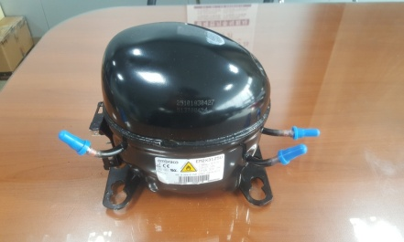 | 1 | $1,134.80
CP1001A120 | STARTING COMPONENTS, EM2X3125U | PTC Relay(QP2-4.7),OLP(DRB46N61A2), Running Capacitor(450VAC-20㎌) |  | 1 | $243.60
CP1001T470 | DRYER | XH-9,15g Φ3 / Φ6.5 |  | 1 | $34.80
F0166M020 | CONDENSER | STEEL ( 6 * 10 ) |  | 1 | $604.00
F0140C100 | CONDENSER FAN MOTOR | 115V/6W/CW | 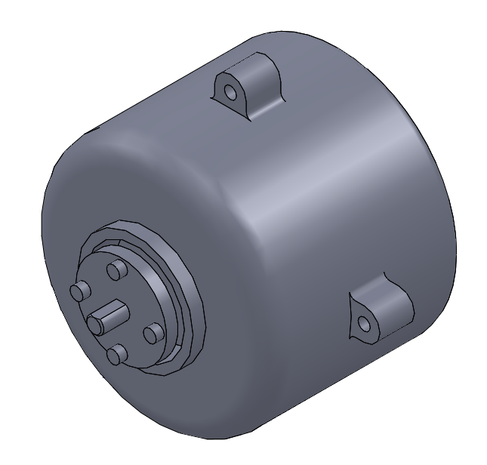 | 1 | $237.40
F0120C020 | CONDENSER FAN BLADE | Φ200 | 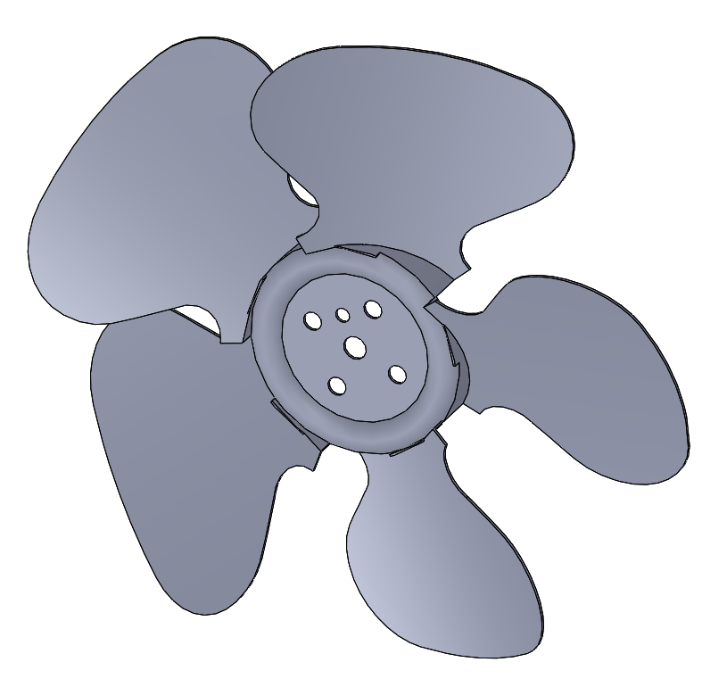 | 1 | $29.80
BC1361N050B | FRONT GRILL | EGI + BK |  | 1 | $89.40
BC1501A020 | DOOR | GA ( 328 * 567 ) |  | 2 | $426.80
F0112D190B | SIDE COVER BK | EGI + BK |  | 1 | $149.00
BB1239P010 | DOOR LOCK KEYS |  |  | 2 | $4.80
BB1231A080 | DOOR LOCK & KEY | DOOR LOCK ASS'Y |  | 2 | $35.40
CT1001E030 | FAN CONTROL PCB | PCB |  | 1 | $237.40

